Estimator
 |  |  |  |  |  | 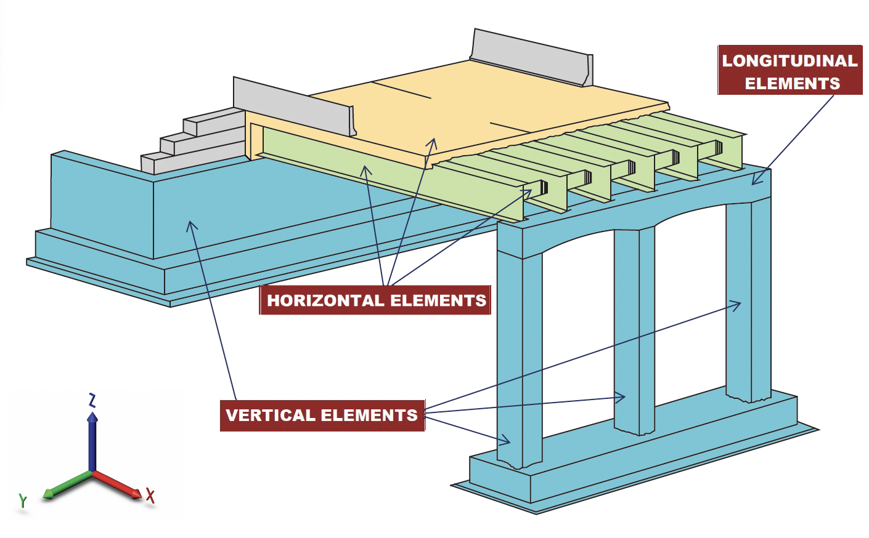

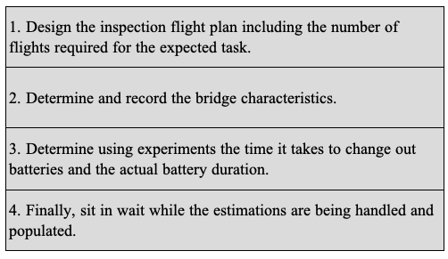

Inspection Plan |  |  |  | Bridge Characteristics |  | Time for Total Vertical Flights |  | Total Bridge Inspection Time
 |  |  |  |  |  |  | min |  | min
# of Vertical Flights |  |  |  | Heigh of Vertical Element | /ft | Time for Total Horizontal Flights
# of Horizontal Flights |  |  |  | Length of Horizontal Element | /ft |  | min |  | hr
# of Longitudinal Flights |  |  |  | Length of Longitudinal Element | /ft | Time for Total Longitudinal Flights
# of Isolated Elements |  |  |  | Length of Grade Beam | /ft |  | min
Error Factor |  | % |  | Width of Deck | /ft | Time for Total Isolated Flights
Adjustment Time |  | /sec |  | Length of Deck | /ft |  | min
Flight Speed (mph) |  | mph |  | Number of Spans |  |  |  | Number of Batteries
 |  |  |  | Inspection Time of Isolated Element |  | Flight Time Per Span | min
Flight Speed Ranges Based on Pilot Skill Levels
 |  |  |  | UAV Characteristics
Basic | 0.60 - 1.70 |  | mph
Intermediate | 0.70 - 2.00 |  | mph | Flight time per battery | /min
Professional | 0.90 - 2.70 |  | mph | Time per battery swap | /min

